Engine Valve Spring
Description | Abbrev | Value | Unit | Alt Value | Alt unit |  | J.Williams 2022-06-27 | S_sy/n=t_max=K_b*8*F_max*D/(pi*d^3)
Preload | Fpreload | 275.000 | N | 61.822 | lbf |  | Finding approx wire diameter to use for valve springs and finding fatigue factor of safety. Does not take into account any heat cycling etc. | (A/d^m)*0.56=t_max=((4*C+2)/(4*C-3))*8*F_max*D/(pi*d^3)
Max Force (@ Max Valve Lift) | Fmax | 800.000 | N | 179.847 | lbf |  | This spreadsheet should not be used as a substitute for allowing spring supplier to do analysis. | (A/d^m)*0.56=t_max=((4*D/d+2)/(4*D/d-3))*8*F_max*D/(pi*d^3)
Mean Coil Diameter | D | 31.75 | mm | 1.25 | inch |  | Spreadsheet inspired by Dr. Swambom's lectures. | diameter | t_allow | right side
End Type |  | Squared and Ground | - | Squared and Ground | - |  | Website for compression spring design: | 0 | #DIV/0! | #DIV/0!
Max Valve Lift |  | 22.86 |  | 0.9 | inch |  | https://www.federnshop.com/en/products/compression_springs/calculation.html | 0.1 | 1181.2829327 | 64935819.736
Factor of Safety @ Max Rigid Displacement (static) | n | 1.2 | - | 1.2 | - |  |  | 0.2 | 1096.0811015 | 8149035.2792
Minimum Fractional Overrun to Closure | ξ | 0.15 | - | 0.15 | - |  |  | 0.3 | 1049.1191967 | 2424072.7783
Solid Safe | Yes/No | Yes | - | Yes | - |  |  | 0.4 | 1017.0245821 | 1026701.2001
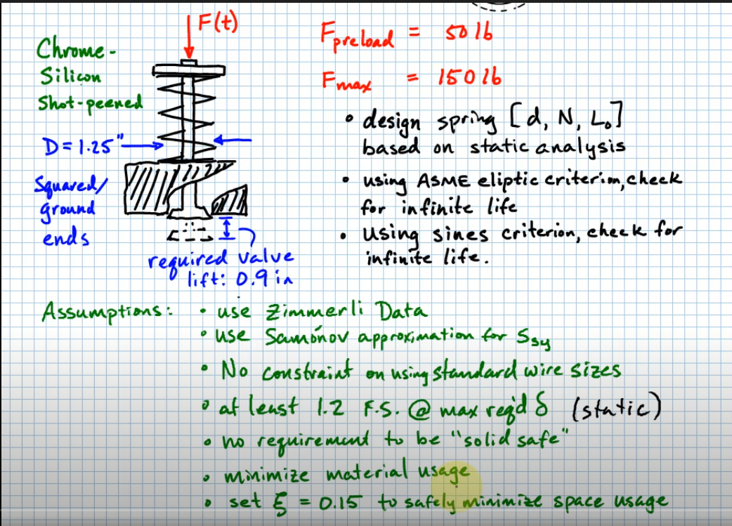
Shot-Peened | Yes/No | Yes | - | Yes | - |  |  | 0.5 | 992.80777321 | 527752.21136
Wire Material |  | Chrome-Silicon Wire | - | Chrome-Silicon Wire | - |  |  | 0.6 | 973.44987626 | 306622.32759
Force Delta | ΔF | 525.000 | N | 118.025 | lbf |  |  | 0.7 | 957.37777415 | 193857.36095
Spring Constant Required | k | 22.966 | N/mm | 131.139 | lbf/in |  |  | 0.8 | 943.67013469 | 130384.74928
Wire Diameter Guess | d | 4.338803 | mm | 0.17082 | inch | Input a guess here initially, then use Goal seek to set cell to "1" by changing this value. Use Chart to get a good initial guess. |  | 0.9 | 931.74214098 | 91937.150052
Goal Seek Cell Goal Seek this to "1" by changing "Wire Dia" Cell | ~ 1 | 0.834042 | - | 0.8340424 | - | Use goal seek to set this cell to "1" by changing the wire diameter guess number. |  | 1 | 921.2 | 67288.656327
Wire Diameter Guess Helper Chart Set Wire Diameter to X-Axis Value at Intersection of Curves
Spring Index | C | 7.31769 | - | 7.31769 | - |  |  | 1.1 | 911.76626471 | 50756.140333
Bergstrasser Factor | K_b | 1.19033 | - | 1.190326 |  |  |  | 1.2 | 903.23832086 | 39250.862954
Material Density | ρ | 7.861 | g/cm^3 | 0.283997 | lbm/in^3 |  |  | 1.3 | 895.4638278 | 30994.934477
Figure of Merit | FOM | -308496.676 | - | -308496.676 | - | ***have not verified |  | 1.4 | 888.3254436 | 24915.295913
Modulus of Rigidity | G | 77.2 | GPa | 11.1969 | Mpsi |  |  | 1.5 | 881.73092544 | 20337.956652
Number of Active Coils | Na | 4.653 | - | 4.6526 | - |  |  | 1.6 | 875.60648852 | 16824.945313
Number ot Total Coils | Nt | 6.653 | - | 6.6526 | - |  |  | 1.7 | 869.89221819 | 14083.187213
Spring Solid Length | Ls | 28.86 | mm | 1.1364 | inch |  |  | 1.8 | 864.53881953 | 11911.485259
Spring Solid Force | Fs | 920.000 | N | 206.824 | lbf |  |  | 1.9 | 859.50526309 | 10168.572073
Spring Free Length | L0 | 68.924 | mm | 2.7135 | inch |  |  | 2 | 854.75704653 | 8753.258804
Spring Pitch | p | 12.949 | mm | 0.5098 | inch |  |  | 2.1 | 850.26488871 | 7591.7607249
Midrange Force | Fmid | 537.500 | N | 120.835 | lbf |  |  | 2.2 | 846.00373376 | 6629.4067592
Alternating Force | Falt | 262.500 | N | 59.012 | lbf |  |  | 2.3 | 841.95198079 | 5825.0975777
Ultimate (Tensile) Yielding Strength | Sut | 1684.656 | MPa | 244.3387 | ksi |  |  | 2.4 | 838.09088086 | 5147.527767
Shear Yielding Strength | Ssy | 943.407 | MPa | 136.8297 | ksi |  |  | 2.5 | 834.40405955 | 4572.5644003
Max Shear Stress | τmax | 786.173 | MPa | 114.0247 | ksi |  |  | 2.6 | 830.87713495 | 4081.3983705
Max Shear Stress (Check) | τmax,check | 942.605 | MPa | 136.7133 | ksi |  |  | 2.8 | 824.25361759 | 3294.265302
Is Max Shear Stress Check w/in 1% | Yes/No | Yes | - | Yes | - |  |  | 2.9 | 821.13572161 | 2977.0982513
Min Shear Stress | τmin | 324.021 | MPa | 46.9952 | ksi |  |  | 3 | 818.1347391 | 2700.0990772
Midrange Shear Stress | τmid | 555.097 | MPa | 80.5100 | ksi |  |  | 3.1 | 815.24260183 | 2457.0642408
Alternating Shear Stress | τalt | 231.076 | MPa | 33.5148 | ksi |  |  | 3.2 | 812.45203652 | 2242.908871
Midrange Shear Stress Check | τmid,check | 633.31292881 | MPa | 91.8543 | ksi |  |  | 3.3 | 809.7564645 | 2053.4379042
Alternating Shear Stress Check | τalt.check | 309.29236058 | MPa | 44.8591 | ksi |  |  | 3.4 | 807.14991664 | 1885.1692644
Is Midrange Stress Check w/in 1% | Yes/No | No | - | No | - |  |  | 3.5 | 804.62696085 | 1735.1961319
Is Alternating Stress Check w/in 1% | Yes/No | No | - | No | - |  |  | 3.6 | 802.18264002 | 1601.0788345
Alternating Shear Strength | Ssa | 398.00 | MPa | 57.725019617 | ksi |  |  | 3.7 | 799.8124186 | 1480.7593768
Midrange Shear Strength | Ssm | 534.00 | MPa | 77.450151948 | ksi |  |  | 3.8 | 797.51213651 | 1372.4934068
Approx Endurance Limit in Shear of Spring | Sse | 482.79 | MPa | 70.022145711 | ksi |  |  | 3.9 | 795.2779691 | 1274.7957142
Fatigue Factor of Safety (ASME-Elliptic based) | nf,ASME-Elliptic | 1.1203831489 | - | 1.1203831489 | - |  |  | 4 | 793.1063923 | 1186.396304
Fatigue Factor of Safety (Sines Criterion based) | nf,Sines_Criteria | 1.7223764418 | - | 1.7223764418 | - |  |  | 4.1 | 790.99415217 | 1106.2047894
 |  |  |  |  |  |  |  | 4.2 | 788.93823821 | 1033.2813711
 |  |  |  |  |  |  |  | 4.3 | 786.93585981 | 966.81306209
 |  |  |  |  |  |  |  | 4.4 | 784.98442555 | 906.09411424
 |  |  |  |  |  |  |  | 4.5 | 783.0815248 | 850.509828
 |  |  |  |  |  |  |  | 4.6 | 781.22491143 | 799.52310111
 |  |  |  |  |  |  |  | 4.7 | 779.41248928 | 752.66320509
 |  |  |  |  |  |  |  | 4.8 | 777.64229922 | 709.51638249
 |  |  |  |  |  |  |  | 4.9 | 775.91250753 | 669.71793883
 |  |  |  |  |  |  |  | 5 | 774.22139551 | 632.94556682
 |  |  |  |  |  |  |  | 5.1 | 772.56735017 | 598.91369077
 |  |  |  |  |  |  |  | 5.2 | 770.94885573 | 567.36865882
 |  |  |  |  |  |  |  | 5.3 | 769.36448609 | 538.08464259
 |  |  |  |  |  |  |  | 5.4 | 767.81289792 | 510.8601289
 |  |  |  |  |  |  |  | 5.5 | 766.29282441 | 485.51490925
 |  |  |  |  |  |  |  | 5.6 | 764.80306965 | 461.88748859
 |  |  |  |  |  |  |  | 5.7 | 763.34250345 | 439.832849
 |  |  |  |  |  |  |  | 5.8 | 761.91005667 | 419.22051423
 |  |  |  |  |  |  |  | 5.9 | 760.5047169 | 399.93287039
 |  |  |  |  |  |  |  | 6 | 759.1255246 | 381.86370512
 |  |  |  |  |  |  |  | 6.1 | 757.77156945 | 364.91693381
 |  |  |  |  |  |  |  | 6.2 | 756.44198713 | 349.00548625
 |  |  |  |  |  |  |  | 6.3 | 755.13595625 | 334.05033136
 |  |  |  |  |  |  |  | 6.4 | 753.85269559 | 319.9796209
 |  |  |  |  |  |  |  | 6.5 | 752.59146156 | 306.72793614
 |  |  |  |  |  |  |  | 6.6 | 751.35154581 | 294.23562376
 |  |  |  |  |  |  |  | 6.7 | 750.13227309 | 282.44820911
 |  |  |  |  |  |  |  | 6.8 | 748.93299919 | 271.31587701
 |  |  |  |  |  |  |  | 6.9 | 747.75310914 | 260.79301127
 |  |  |  |  |  |  |  | 7 | 746.59201543 | 250.83778566
 |  |  |  |  |  |  |  | 7.1 | 745.44915645 | 241.41179997
 |  |  |  |  |  |  |  | 7.2 | 744.32399496 | 232.4797555
 |  |  |  |  |  |  |  | 7.3 | 743.21601676 | 224.00916535
 |  |  |  |  |  |  |  | 7.4 | 742.12472937 | 215.9700953
 |  |  |  |  |  |  |  | 7.5 | 741.04966084 | 208.33493174
 |  |  |  |  |  |  |  | 7.6 | 739.99035863 | 201.07817343
 |  |  |  |  |  |  |  | 7.7 | 738.94638859 | 194.17624444
 |  |  |  |  |  |  |  | 7.8 | 737.91733395 | 187.6073258
 |  |  |  |  |  |  |  | 7.9 | 736.90279444 | 181.35120389
 |  |  |  |  |  |  |  | 8 | 735.90238543 | 175.38913359
 |  |  |  |  |  |  |  | 8.1 | 734.91573713 | 169.70371463
 |  |  |  |  |  |  |  | 8.2 | 733.94249385 | 164.27877981
 |  |  |  |  |  |  |  | 8.3 | 732.98231326 | 159.09929368
 |  |  |  |  |  |  |  | 8.4 | 732.03486581 | 154.15126066
 |  |  |  |  |  |  |  | 8.5 | 731.09983403 | 149.42164167
 |  |  |  |  |  |  |  | 8.6 | 730.17691201 | 144.89827827
 |  |  |  |  |  |  |  | 8.7 | 729.26580479 | 140.56982367
 |  |  |  |  |  |  |  | 8.8 | 728.36622791 | 136.42567986
 |  |  |  |  |  |  |  | 8.9 | 727.4779069 | 132.45594024
 |  |  |  |  |  |  |  | 9 | 726.60057678 | 128.65133726
 |  |  |  |  |  |  |  | 9.1 | 725.7339817 | 125.00319459
 |  |  |  |  |  |  |  | 9.2 | 724.87787448 | 121.50338325
 |  |  |  |  |  |  |  | 9.3 | 724.03201624 | 118.14428158
 |  |  |  |  |  |  |  | 9.4 | 723.19617604 | 114.91873838
 |  |  |  |  |  |  |  | 9.5 | 722.37013053 | 111.82003924
 |  |  |  |  |  |  |  | 9.6 | 721.55366363 | 108.84187549
 |  |  |  |  |  |  |  | 9.7 | 720.74656621 | 105.9783157
 |  |  |  |  |  |  |  | 9.8 | 719.9486358 | 103.22377948
 |  |  |  |  |  |  |  | 9.9 | 719.15967632 | 100.57301332
 |  |  |  |  |  |  |  | 10 | 718.37949781 | 98.021068291
 |  |  |  |  |  |  |  | 10.1 | 717.6079162 | 95.563279549
 |  |  |  |  |  |  |  | 10.2 | 716.84475301 | 93.195247333
 |  |  |  |  |  |  |  | 10.3 | 716.08983521 | 90.912819453
 |  |  |  |  |  |  |  | 10.4 | 715.34299495 | 88.712075075
 |  |  |  |  |  |  |  | 10.5 | 714.60406936 | 86.589309722
 |  |  |  |  |  |  |  | 10.6 | 713.87290038 | 84.541021368
 |  |  |  |  |  |  |  | 10.7 | 713.14933456 | 82.563897569
 |  |  |  |  |  |  |  | 10.8 | 712.43322287 | 80.654803504
 |  |  |  |  |  |  |  | 10.9 | 711.72442056 | 78.810770886
 |  |  |  |  |  |  |  | 11 | 711.02278698 | 77.028987659
 |  |  |  |  |  |  |  | 11.1 | 710.32818544 | 75.30678842
 |  |  |  |  |  |  |  | 11.2 | 709.64048305 | 73.641645507
 |  |  |  |  |  |  |  | 11.3 | 708.9595506 | 72.031160704
 |  |  |  |  |  |  |  | 11.4 | 708.28526242 | 70.473057519
 |  |  |  |  |  |  |  | 11.5 | 707.61749622 | 68.965173984
 |  |  |  |  |  |  |  | 11.6 | 706.95613304 | 67.505455934
 |  |  |  |  |  |  |  | 11.7 | 706.30105706 | 66.091950748
 |  |  |  |  |  |  |  | 11.8 | 705.65215554 | 64.722801489
 |  |  |  |  |  |  |  | 11.9 | 705.0093187 | 63.396241443
 |  |  |  |  |  |  |  | 12 | 704.37243958 | 62.110589004
 |  |  |  |  |  |  |  | 12.1 | 703.74141403 | 60.864242892
 |  |  |  |  |  |  |  | 12.2 | 703.11614052 | 59.655677678
 |  |  |  |  |  |  |  | 12.3 | 702.49652011 | 58.483439594
 |  |  |  |  |  |  |  | 12.4 | 701.88245635 | 57.346142601
 |  |  |  |  |  |  |  | 12.5 | 701.27385519 | 56.242464714
 |  |  |  |  |  |  |  | 12.6 | 700.67062493 | 55.171144542
 |  |  |  |  |  |  |  | 12.7 | 700.0726761 | 54.13097805
 |  |  |  |  |  |  |  | 12.8 | 699.47992141 | 53.120815511
 |  |  |  |  |  |  |  | 12.9 | 698.89227569 | 52.139558655
 |  |  |  |  |  |  |  | 13 | 698.3096558 | 51.186157971
 |  |  |  |  |  |  |  | 13.1 | 697.73198061 | 50.259610186
 |  |  |  |  |  |  |  | 13.2 | 697.15917087 | 49.358955886
 |  |  |  |  |  |  |  | 13.3 | 696.5911492 | 48.483277274
 |  |  |  |  |  |  |  | 13.4 | 696.02784004 | 47.631696066
 |  |  |  |  |  |  |  | 13.5 | 695.46916955 | 46.803371502
 |  |  |  |  |  |  |  | 13.6 | 694.9150656 | 45.997498477
 |  |  |  |  |  |  |  | 13.7 | 694.36545769 | 45.213305769
 |  |  |  |  |  |  |  | 13.8 | 693.82027692 | 44.45005438
 |  |  |  |  |  |  |  | 13.9 | 693.27945593 | 43.70703596
 |  |  |  |  |  |  |  | 14 | 692.74292886 | 42.983571322
 |  |  |  |  |  |  |  | 14.1 | 692.21063132 | 42.279009043
 |  |  |  |  |  |  |  | 14.2 | 691.68250032 | 41.592724134
 |  |  |  |  |  |  |  | 14.3 | 691.15847425 | 40.924116789
 |  |  |  |  |  |  |  | 14.4 | 690.63849282 | 40.272611199
 |  |  |  |  |  |  |  | 14.5 | 690.12249706 | 39.637654431
 |  |  |  |  |  |  |  | 14.6 | 689.61042924 | 39.018715369
 |  |  |  |  |  |  |  | 14.7 | 689.10223286 | 38.415283701
 |  |  |  |  |  |  |  | 14.8 | 688.59785262 | 37.826868975
 |  |  |  |  |  |  |  | 14.9 | 688.09723435 | 37.252999692
 |  |  |  |  |  |  |  | 15 | 687.60032504 | 36.69322245
 |  |  |  |  |  |  |  | 15.1 | 687.10707275 | 36.147101136
 |  |  |  |  |  |  |  | 15.2 | 686.61742662 | 35.614216152
 |  |  |  |  |  |  |  | 15.3 | 686.13133681 | 35.094163688
 |  |  |  |  |  |  |  | 15.4 | 685.64875451 | 34.586555025
 |  |  |  |  |  |  |  | 15.5 | 685.16963186 | 34.091015881
 |  |  |  |  |  |  |  | 15.6 | 684.693922 | 33.607185778
 |  |  |  |  |  |  |  | 15.7 | 684.22157896 | 33.134717454
 |  |  |  |  |  |  |  | 15.8 | 683.7525577 | 32.673276295
 |  |  |  |  |  |  |  | 15.9 | 683.28681405 | 32.222539796
 |  |  |  |  |  |  |  | 16 | 682.82430472 | 31.782197052
 |  |  |  |  |  |  |  | 16.1 | 682.36498722 | 31.351948268
 |  |  |  |  |  |  |  | 16.2 | 681.90881993 | 30.931504299
 |  |  |  |  |  |  |  | 16.3 | 681.45576198 | 30.520586208
 |  |  |  |  |  |  |  | 16.4 | 681.00577329 | 30.118924842
 |  |  |  |  |  |  |  | 16.5 | 680.55881456 | 29.726260439
 |  |  |  |  |  |  |  | 16.6 | 680.1148472 | 29.342342236
 |  |  |  |  |  |  |  | 16.7 | 679.67383334 | 28.966928118
 |  |  |  |  |  |  |  | 16.8 | 679.23573584 | 28.599784258
 |  |  |  |  |  |  |  | 16.9 | 678.80051821 | 28.240684797
 |  |  |  |  |  |  |  | 17 | 678.36814465 | 27.88941152
 |  |  |  |  |  |  |  | 17.1 | 677.93858001 | 27.545753559
 |  |  |  |  |  |  |  | 17.2 | 677.51178978 | 27.209507106
 |  |  |  |  |  |  |  | 17.3 | 677.08774006 | 26.880475135
 |  |  |  |  |  |  |  | 17.4 | 676.66639756 | 26.558467139
 |  |  |  |  |  |  |  | 17.5 | 676.24772959 | 26.243298885
 |  |  |  |  |  |  |  | 17.6 | 675.83170404 | 25.934792168
 |  |  |  |  |  |  |  | 17.7 | 675.41828935 | 25.632774585
 |  |  |  |  |  |  |  | 17.8 | 675.00745453 | 25.337079313
 |  |  |  |  |  |  |  | 17.9 | 674.59916912 | 25.047544906
 |  |  |  |  |  |  |  | 18 | 674.19340318 | 24.764015085
 |  |  |  |  |  |  |  | 18.1 | 673.79012731 | 24.486338555
 |  |  |  |  |  |  |  | 18.2 | 673.38931259 | 24.214368814
 |  |  |  |  |  |  |  | 18.3 | 672.9909306 | 23.947963985
 |  |  |  |  |  |  |  | 18.4 | 672.59495341 | 23.686986639
 |  |  |  |  |  |  |  | 18.5 | 672.20135354 | 23.431303639
 |  |  |  |  |  |  |  | 18.6 | 671.81010398 | 23.180785986
 |  |  |  |  |  |  |  | 18.7 | 671.42117819 | 22.935308668
 |  |  |  |  |  |  |  | 18.8 | 671.03455003 | 22.694750519
 |  |  |  |  |  |  |  | 18.9 | 670.65019383 | 22.458994084
 |  |  |  |  |  |  |  | 19 | 670.26808431 | 22.227925487
 |  |  |  |  |  |  |  | 19.1 | 669.88819663 | 22.001434307
 |  |  |  |  |  |  |  | 19.2 | 669.51050633 | 21.779413457
 |  |  |  |  |  |  |  | 19.3 | 669.13498936 | 21.561759071
 |  |  |  |  |  |  |  | 19.4 | 668.76162204 | 21.348370389
 |  |  |  |  |  |  |  | 19.5 | 668.39038109 | 21.139149656
 |  |  |  |  |  |  |  | 19.6 | 668.02124358 | 20.934002015
 |  |  |  |  |  |  |  | 19.7 | 667.65418695 | 20.732835415
 |  |  |  |  |  |  |  | 19.8 | 667.289189 | 20.535560511
 |  |  |  |  |  |  |  | 19.9 | 666.92622788 | 20.342090577
 |  |  |  |  |  |  |  | 20 | 666.56528206 | 20.152341421

Calc 2 (Spring over rod)
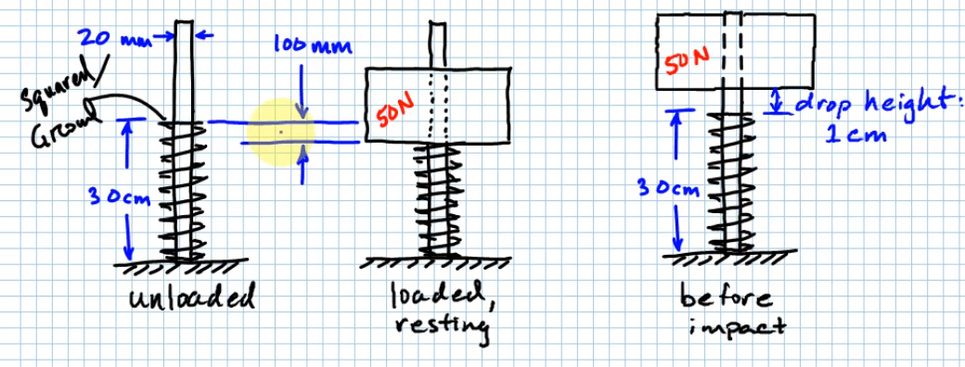
Description | Abbrev | Value | Unit | Alt Value | Alt unit | SpringEndType | SpringEndCondition
Force | F | 50 | N |  |  | Plain | Supported between flat parallel surfaces (fixed ends) (grounded)
Deflection for given Force | δ | 100 | mm |  |  | Ground | One end supported by flat surface perpendicular to springs axis (fixed), other end pivoted/hinged
Spring Constant | K | 0.5 | N/mm |  |  | Squared/Closed | Both ends pivoted/hinged
Elastic Energy @ rest with weight on top |  | 2500 | N*mm |  |  | Squared and Ground | One end clamped, other free
Dropping Weight on Spring from Height (Impact)
Mass | m | 5.0985810649 | kg
Acceleration due to Gravity | g | 9.80665 | m/s^2
Weight | W | 50 | N
Height above spring to drop weight at | h | 10 | mm
Spring Deflection at lowest mass position | δmax | 209.5445115 | mm
Potential Energy of Mass above spring | PEmass | 10977.225575 | N*mm
Internal (Elastic) Energy transferred to spring | Uspring | 10977.225575 | N*mm
Energy Balance Check |  | Okay | -
Max Force Expected | Fmax | 104.77225575 | N
Spring around Rod
Diameter of Rod | Drod | 20 | mm
Clearance Diameter | Dclear | 0.5 | mm
Min Safety Factor for Yielding (solid) | Nsolid,min | 1.2 | -
Static Load | Fstatic | 50 | N
Deflection at Static Load | δstatic | 100 | mm
Free Length | Lfree | 300 | mm
Diameter of Wire | diawire | 1.8034 | mm
Ultimate Strength | Sut | 2029.810025 | MPa
Allowable Shear Stress | Ss,allowable | 913.41451124 | MPa
Modulus of Rigidity | G | 81 | GPa
Mean Coil Diameter | D | 22.3034 | mm
Spring Index | C | 12.367417101 | -
Bergstrasser Factor | KB | 1.1075970665 | -
Spring End Type |  | Plain
Number of Active Coils | Na | 19.305456212 | -
Number of Total Coils | Nt | 19.305456212 | -
Solid length | Lsolid | 36.618859732 | mm
Spring Force at Solid Length | Fsolid | 131.69057013 | N
Spring Stress at Solid Length |  | 1412.4447421 | MPa
Factor of Safety against Shearing at Solid Length | ns,solid | 0.64669043964 | -
Is Spring "Solid Safe"? |  | NO! | -
Fractional Overrun to Closure |  | 0.25692216122 | -
Is fractional overrun to closure > .15 |  | Yes | -
Max Shear Stress Expected |  | 1123.7328656 | MPa
Factor of Safety against Shearing at Max Force Expected |  | 0.81283954503

Sheet4
This sheet nowhere near complete

Cart Weight |  | 8 | lbf
Velocity Goal |  | 12 | ft/s
Axle Radius of Gyration |  | 3 | in
Wheel Radius |  | 5 | in
Axle Weight |  | 2 | lbf
Gravitational Acceleration |  | 32.2 | ft/s^2
Cart Mass |  | 0.24844720497 | slug
Axle Mass |  | 0.062111801242 | slug
Axle Inertia |  | 0.0038819875776 | slug*ft^2
Rotational Speed of Axle |  | 28.8 | rad/s
Kinetic Energy |  | 233.97763975 | lbf*in
Factor of Safety at Solid Height |  | 1.2
End Condition Constant | alpha | 0.5
Fractional Overrun to Closure |  | 0.15
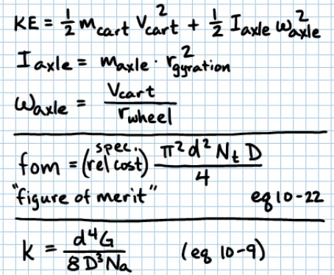
Shearing Yield Strength Percent |  | 65%
A |  | 140
m |  | 0.19
Specific Relative Cost |  | 1
Modulus of Rigidity |  | 80
Wire Diameter | d | 0.1 | in
Figure of Merit |  | 0
 | Nt

